Sheet1
Community | Model | Address | HERS | % Better Than
 |  |  | Index # * | Code

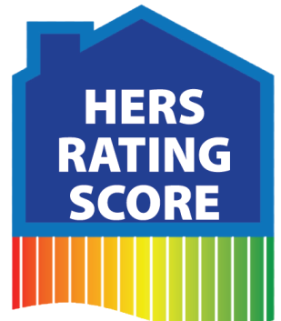
Canterberry
Crossing So | Langdon | 20204 G Street | 52 | 48%
Fairview | Bradley | 1808 Tammy Street | 51 | 49%
South | Sheridan | 1810 Tammy Street | 50 | 50%
 | Weston | 1812 Tammy Street | 49 | 51%
Glenmoor | Aspen | 6950 N 90th St | 54 | 46%
 | Carlton | 6956 N 90th St | 55 | 45%
Highlands | Bentley | 16310 Whitmore St | 48 | 52%
 | Manchester | 16304 Whitmore St | 46 | 54%
 | Cambrdige | 16214 Whitmore St | 45 | 55%
 | Shelby | 16208 Whitmore St | 45 | 55%
Hyda Hills | Manchester | 14611 S 24th St | 52 | 48%
Ridgemoor | Vista | 14618 Mormon St | 51 | 49%
 | Linden | 14622 Mormon St | 51 | 49%
 | Carlton | 14626 Mormon St | 51 | 49%
 | Hampton | 14630 Mormon St | 52 | 48%
Sagewood | Danbury | 5163 N 176th Ave Cr | 46 | 54%
 | Bradford | 5162 N 176th Ave Cr | 46 | 54%
Shadowbrook | Preston | 8808 N 156th Ave | 50 | 50%
West | Chandler | 8820 N 156th Ave | 49 | 51%
(Hanover Falls) | Sheridan | 8813 N 156th Ave | 50 | 50%
Whitetail | Bridgeport | 7817 S 191st St | 52 | 48%
 | Seville | 7813 S 191st St | 53 | 47%
 | Kingston | 7809 S 191st St | 54 | 46%
 | Austin | 19085 Cottonwood | 52 | 48%
 | Weston | 19081 Cottonwood | 49 | 51%
Wood Valley | Santee | 14322 Wood Valley | 51 | 49%
 | Del Ray | 14318 Wood Valley | 53 | 47%
 | Sterling | 14314 Wood Valley | 49 | 51%
 | Concord | 14306 Wood Valley | 48 | 52%
Wood Valley
Village | Dayton Patio | 14204 Whitmore | 61 | 39%
 | Logan | 14091 Wood Valley | 54 | 46%
 | Dayton Dlx | 7001 N 139th St | 50 | 50%

* Rating Index may vary from model home to actual home.

 |  |  |  |  | 2017-03-09

